BAN06
BAN06 | Verify View Bill Image microapp | Login to CSM with super user
BAN | 932933058 | Navigate to new microapp bill image or bill reprint
 |  | A new standalone Microapp will be developed for presenting the bill image PDF.
 |  | The Microapp will support Sprint as well as TMO bills.
 |  | It will be opened when user select a bill from the Reprint Microapp and click on “View PDF”.
 |  | Multiple bill view Microapps can be opened in parallel for different bills
 |  | It will allow navigation options like search, go to page etc.
 |  | The options of print, email & download will be restricted as per user profile, sec param “BILL_IMAGE_SAVE_US”. In case user is not authorized, those options will be blocked.

 | Issue: | Go to page number is not working
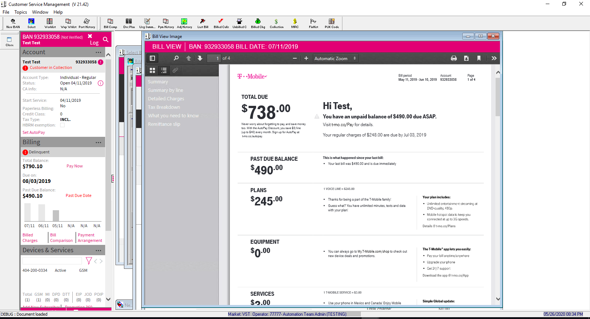

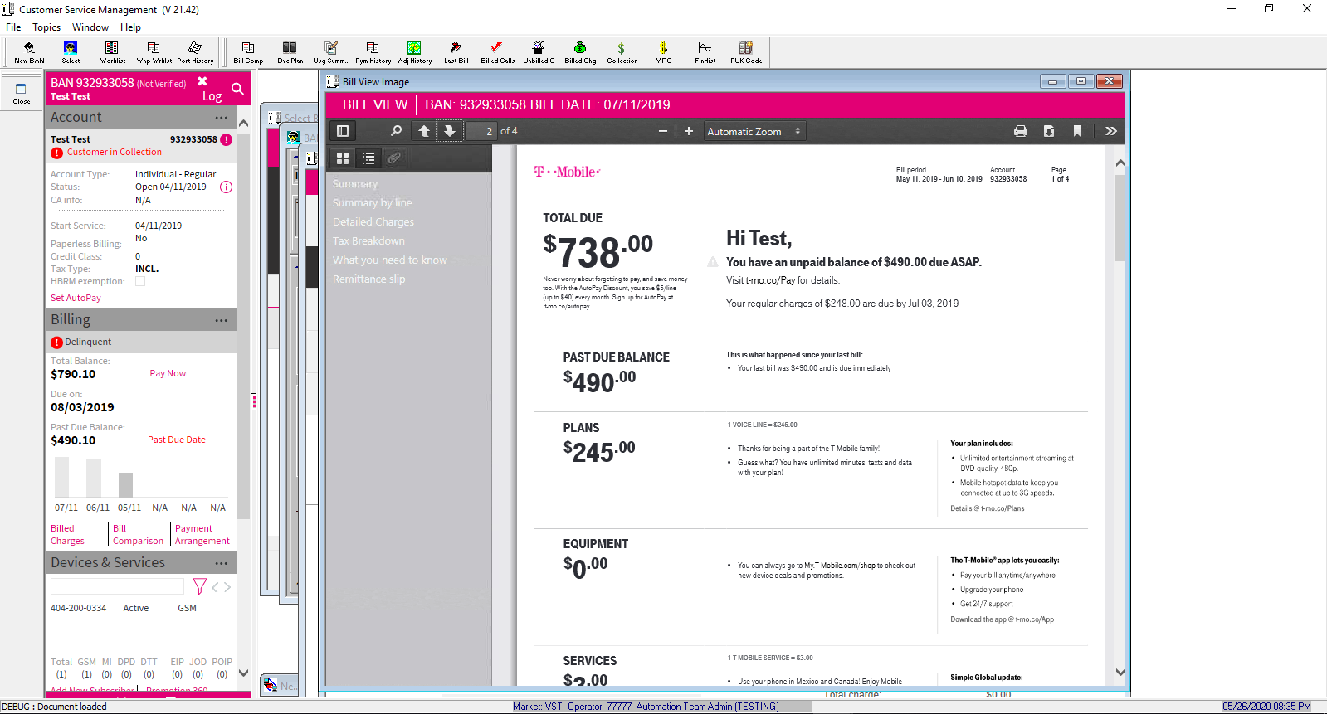

 | ACCOUNT_TYPE | ACCOUNT_SUB_TYPE
 | I | G

